dSU 510 001
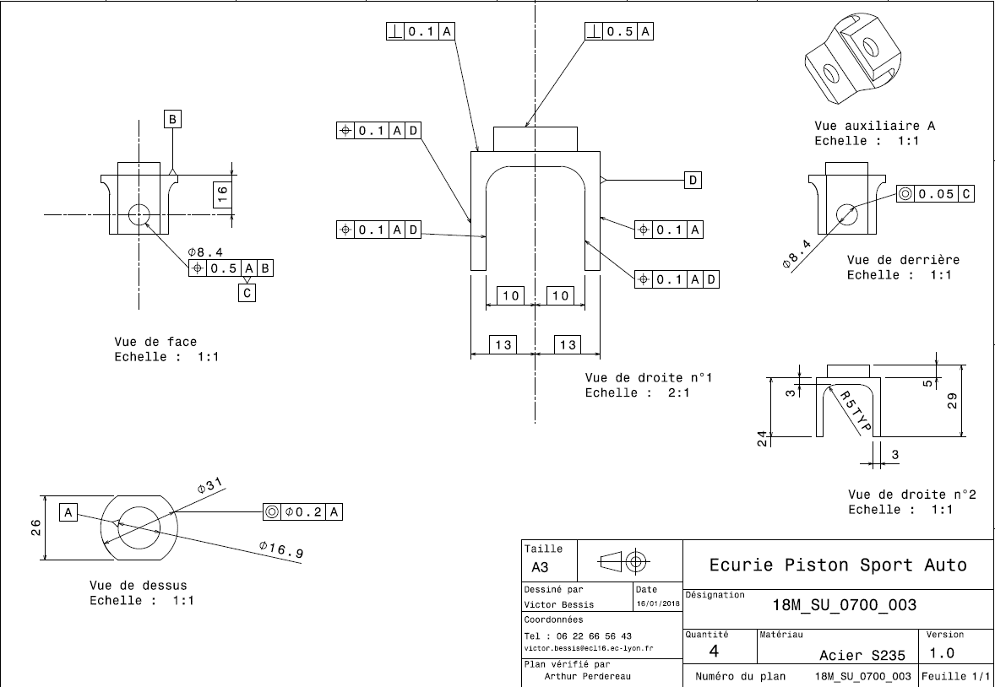
Drawing part : | SU_510_001

